BOM
Item | Part Number | Thumbnail | BOM Structure | Unit QTY | QTY | Stock Number | Description | REV
1 | EL2-003 | 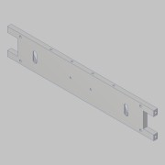 | Normal | Each | 1
2 | EL2-.100 | 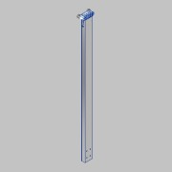 | Normal | Each | 2
3 | EL2-.300 | 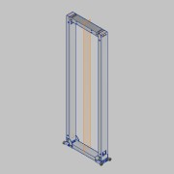 | Normal | Each | 1
4 | EL2-C-100 | 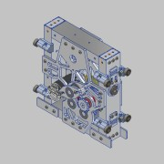 | Normal | Each | 1
5 | EL2-013 | 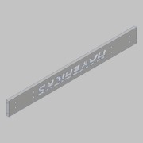 | Normal | Each | 1
6 | EL2-S-002 | 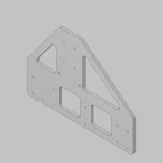 | Normal | Each | 2
7 | EL2-S-003 | 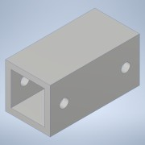 | Normal | Each | 4
8 | EL2-S-004 | 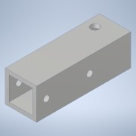 | Normal | Each | 4
9 | EL2-400A | 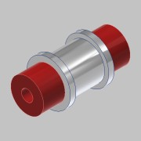 | Normal | Each | 2
10 | EL2-GB-100 |  | Normal | Each | 1
11 | EL2-014 | 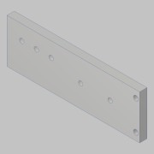 | Normal | Each | 1
12 | EL2-012 | 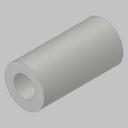 | Normal | Each | 2
13 | EL2-600 | 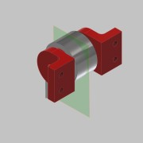 | Normal | Each | 2
14 | EL2-700 | 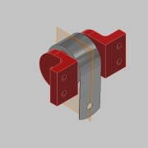 | Normal | Each | 2
15 | EL2-017 | 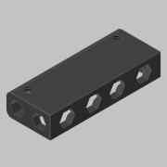 | Normal | Each | 2
16 | AR-100 | 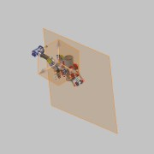 | Normal | Each | 1
17 | EL2-CGB-009 | 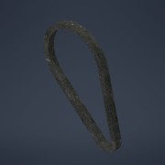 | Normal | Each | 1
18 | EL2-021 |  | Normal | Each | 1
19 | Unbrako - 10 x 1/2 | 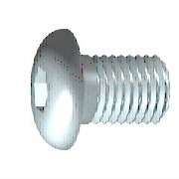 | Purchased | Each | 20 |  | Hexagon Socket Button Head Cap Screw
20 | Unbrako - 10 x 3/8 | *Varies* | Purchased | Each | 6 |  | Hexagon Socket Button Head Cap Screw
21 | Unbrako - 10 x 1 |  | Purchased | Each | 6 |  | Hexagon Socket Button Head Cap Screw
22 | Unbrako - 8 x 1/2 |  | Purchased | Each | 4 |  | Hexagon Socket Button Head Cap Screw
23 | EL2-023 |  | Normal | Each | 1

